Price modeling ADEME
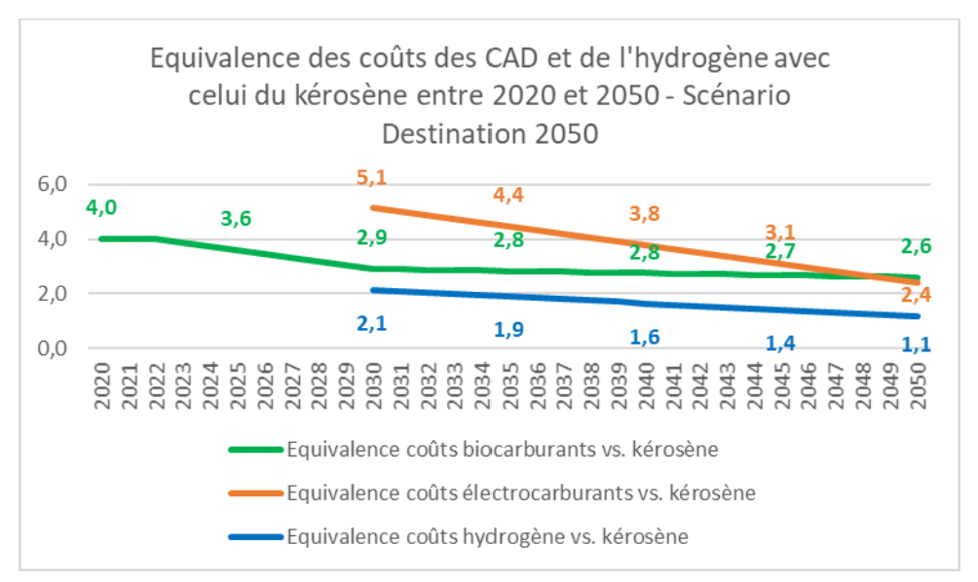
Year | Fossil | Biofuel | E-fuel | Biofuel/Fossil | E-fuel/fossil
2023 | 0.70 | 2.70 | #VALUE! | 3.9 | N/A
2024 | 0.70 | 2.61 | #VALUE! | 3.7 | N/A
2025 | 0.70 | 2.51 | #VALUE! | 3.6 | N/A
2026 | 0.70 | 2.42 | #VALUE! | 3.5 | N/A
2027 | 0.70 | 2.32 | #VALUE! | 3.3 | N/A
2028 | 0.70 | 2.22 | #VALUE! | 3.2 | N/A
2029 | 0.70 | 2.13 | #VALUE! | 3.0 | N/A
2030 | 0.70 | 2.03 | 10.35 | 2.9 | 5.1
2031 | 0.70 | 2.02 | 10.03 | 2.9 | 4.965
2032 | 0.70 | 2.01 | 9.71 | 2.9 | 4.83
2033 | 0.70 | 2.00 | 9.40 | 2.9 | 4.695
2034 | 0.70 | 1.99 | 9.09 | 2.8 | 4.56
2035 | 0.70 | 1.98 | 8.78 | 2.8 | 4.425
2036 | 0.70 | 1.97 | 8.47 | 2.8 | 4.29
2037 | 0.70 | 1.96 | 8.16 | 2.8 | 4.155
2038 | 0.70 | 1.96 | 7.86 | 2.8 | 4.02
2039 | 0.70 | 1.95 | 7.56 | 2.8 | 3.885
2040 | 0.70 | 1.94 | 7.26 | 2.8 | 3.75
2041 | 0.70 | 1.93 | 6.97 | 2.8 | 3.615
2042 | 0.70 | 1.92 | 6.67 | 2.7 | 3.48
2043 | 0.70 | 1.91 | 6.38 | 2.7 | 3.345
2044 | 0.70 | 1.90 | 6.10 | 2.7 | 3.21
2045 | 0.70 | 1.89 | 5.81 | 2.7 | 3.075
2046 | 0.70 | 1.88 | 5.52 | 2.68 | 2.94
2047 | 0.70 | 1.86 | 5.22 | 2.66 | 2.805
2048 | 0.70 | 1.85 | 4.93 | 2.64 | 2.67
2049 | 0.70 | 1.83 | 4.65 | 2.62 | 2.535
2050 | 0.70 | 1.82 | 4.37 | 2.6 | 2.4

